Sheet1
Sample Number | Sample ID | Sample Genotype | Julie's Tube Code | Avg bp size | Barcode | Qubit (ng/uL) | KAPA (ng/uL)
13 | IP A | Cst-Cre | 1RL4A | 355 | CGCTACAT | 5.08 | 3.13
14 | IP B | Cst-Cre | 7RL5A | 375 | AATCCAGC | 7.10 | 3.09
15 | IP C | Cst-Cre | 3RL8A | 345 | CGTCTAAC | 5.17 | 3.90
16 | IP D | Cst-Cre; TrkB flox/flox | 2RL3C | 389 | AACTCGGA | 6.08 | 3.68
17 | IP E | Cst-Cre; TrkB flox/flox | 3RL7C | 368 | GTCGAGAA | 5.65 | 2.79
18 | IP F | Cst-Cre; TrkB flox/flox | 4RL8C | 390 | ACAACAGC | 5.84 | 4.94
19 | IP M | Cst-Cre | 9RL1A | 361 | ATGACAGG | 5.47 | 3.61
20 | IP N | Cst-Cre | 7RL8A | 380 | GCACACAA | 6.07 | 3.91
21 | IP O | Cst-Cre | 2RL10A | 377 | CTCCTAGT | 5.69 | 2.32
22 | IP P | Cst-Cre; TrkB flox/flox | 6RL6C | 367 | TCTTCGAC | 5.51 | 1.95
23 | IP Q | Cst-Cre; TrkB flox/flox | 7RL6C | 394 | GACTACGA | 7.00 | 2.20
24 | IP R | Cst-Cre; TrkB flox/flox | 2RL6C | 392 | ACTCCTAC | 7.01 | 2.61
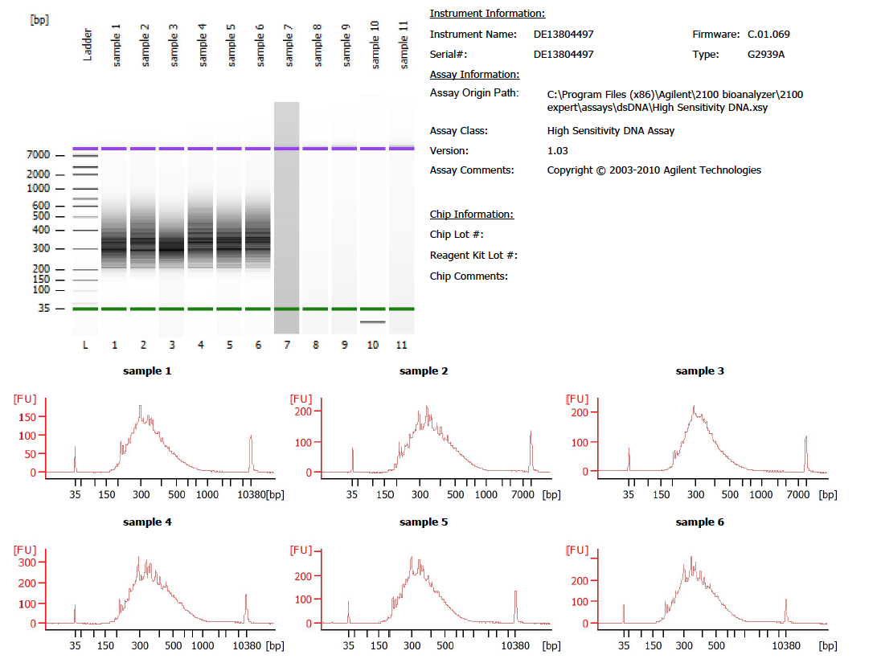

13
14
15

16
17
18

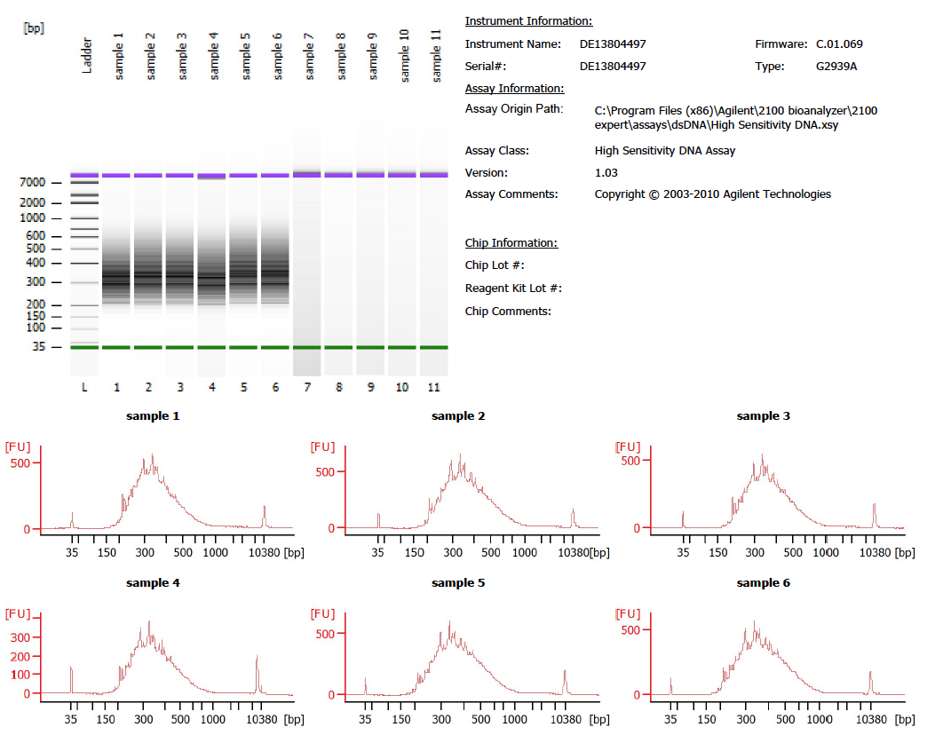

21
19
20

22
23
24

